Age distribution
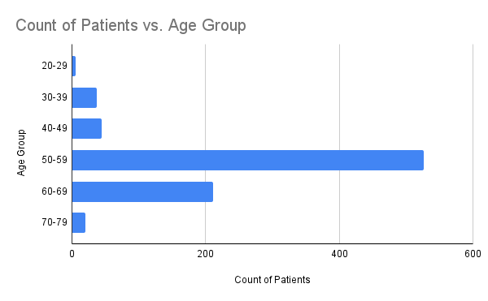

Gender breakdown
Count of Patients vs. Diabetes Class

Diabetes Class by Gender

Diagnostic Indicators
Average Blood Sugar (HbA1c) vs. Class

PATIENTS' LIPID PROFILE

BMI VS. DIABETES CLASS

Dashboard
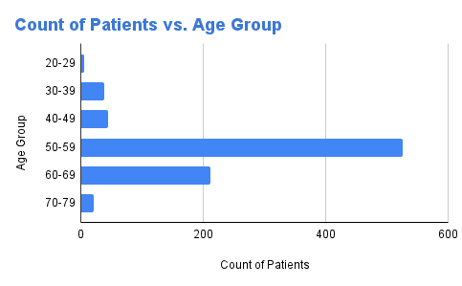
Count of Patients vs. Diabetes Class

Diabetes Class by Gender
Average Blood Sugar (HbA1c) vs. Class

